EFCO-MB Data
 |  |  | Design Method: |  |  |  |  |  |  |  |  |  |  |  |  |  | Allowable Compressive Strg., Pn/Ω (kip) | Design Compressive Strg., ΦPn (kip) | Allowable Tensile Strg., Pn/Ω (kip) | Design Tensile Strg., ΦPn (kip)
Beam Spacing: | 7.00 | ft | LRFD |  | Allowable Compressive Strg., Pn/Ω (kip) | Design Compressive Strg., ΦPn (kip) | Allowable Tensile Strg., Pn/Ω (kip) | Design Tensile Strg., ΦPn (kip)
Y1 | 48.00 | in |  |  |  |  |  |  | PBS-4 |  |  |  |  |  |  | Length(ft)
Y2 | 49.68 | in |  |  |  |  |  |  | Brace Shoe Check |  | Allowable Compressive Strg., Pn/Ω (kip) | Design Compressive Strg., ΦPn (kip) | Allowable Tensile Strg., Pn/Ω (kip) | Design Tensile Strg., ΦPn (kip) | HDPB 5'-9' | 5 | 6.89 | 10.33 | 6.89 | 10.34
Y3 | 36.00 | in | HDPB 5'-9' | OK | 6.89 | 10.33 | 6.89 | 10.34 |  |  |  |  |  |  | HDPB 5'-9' | 6 | 6.89 | 10.33 | 6.89 | 10.34
Y4 | 37.68 | in | HDPB 7'-11' | OK | 6.89 | 10.33 | 6.89 | 10.34 |  | Angle(deg) |  |  |  |  | HDPB 5'-9' | 7 | 6.89 | 10.33 | 6.89 | 10.34
Y5 | 12.00 | in | HDPB 10'-15' | NG | Not Applicable | Not Applicable | Not Applicable | Not Applicable |  | 0 | 6 | 9 | 4 | 6 | HDPB 5'-9' | 8 | 6.89 | 10.33 | 6.89 | 10.34
Y6 | 13.68 | in | HDPB 12'-20' | NG | Not Applicable | Not Applicable | Not Applicable | Not Applicable |  | 15 | 5.5 | 8.25 | 4.3 | 6.45 | HDPB 5'-9' | 9 | 5.80 | 8.70 | 6.89 | 10.34
 |  |  | HDPB 15'-26' | NG | Not Applicable | Not Applicable | Not Applicable | Not Applicable |  | 30 | 5 | 7.5 | 4.7 | 7.05 | HDPB 7'-11' | 7 | 6.89 | 10.33 | 6.89 | 10.34
Angle 1 (deg) | 73.000859109 |  | HDPB 22'-35' | NG | Not Applicable | Not Applicable | Not Applicable | Not Applicable |  | 45 | 4.5 | 6.75 | 5 | 7.5 | HDPB 7'-11' | 8 | 6.89 | 10.33 | 6.89 | 10.34
Angle 2 (deg) | 88.854237162 |  | MB 5'-8' | OK | 9.58 | 14.37 | 9.58 | 14.37 |  | 60 | 5.7 | 8.55 | 6 | 9 | HDPB 7'-11' | 9 | 5.80 | 8.70 | 6.89 | 10.34
Angle 3 (deg) | 75.119539567 |  | MB 8'-14' | NG | Not Applicable | Not Applicable | Not Applicable | Not Applicable |  | 75 | 6.8 | 10.2 | 7 | 10.5 | HDPB 7'-11' | 10 | 4.80 | 7.20 | 6.89 | 10.34
 |  |  |  |  |  |  |  |  |  | 90 | 8 | 12 | 8 | 12 | HDPB 7'-11' | 11 | 4.10 | 6.15 | 6.89 | 10.34
 |  | Angle 1 | Angle 2 | Angle 3 |  | Angle 1 | Angle 2 | Angle 3 |  |  |  |  |  |  | HDPB 10'-15' | 10 | 4.80 | 7.20 | 6.89 | 10.34
 | Allowable Compressive Strg of Brace., Pn/Ω (kip) | Allowable Compressive Strg of Brace Shoe., Pn/Ω (kip) | Allowable Compressive Strg of Brace Shoe., Pn/Ω (kip) | Allowable Compressive Strg of Brace Shoe., Pn/Ω (kip) | Design Compressive Strg of Brace., ΦPn (kip) | Design Compressive Strg of Brace Shoe., ΦPn (kip) | Design Compressive Strg of Brace Shoe., ΦPn (kip) | Design Compressive Strg of Brace Shoe., ΦPn (kip) |  | *For Vlookup |  |  |  |  | HDPB 10'-15' | 11 | 4.10 | 6.15 | 6.89 | 10.34
 |  |  |  |  |  |  |  |  |  | HDPB 5'-9' | 4 | 8 |  |  | HDPB 10'-15' | 12 | 3.45 | 5.18 | 6.89 | 10.34
 |  |  |  |  |  |  |  |  |  | HDPB 7'-11' | 9 | 13 |  |  | HDPB 10'-15' | 13 | 3.00 | 4.50 | 6.89 | 10.34
HDPB 5'-9' | 6.89 | 6.65 | 7.91 | 6.81 | 10.33 | 9.98 | 11.86 | 10.21 |  | HDPB 10'-15' | 14 | 18 |  |  | HDPB 10'-15' | 14 | 2.60 | 3.90 | 6.89 | 10.34
HDPB 7'-11' | 6.89 | 6.65 | 7.91 | 6.81 | 10.33 | 9.98 | 11.86 | 10.21 |  | HDPB 12'-20' | 19 | 27 |  |  | HDPB 12'-20' | 12 | 6.20 | 9.30 | 8.51 | 12.76
HDPB 10'-15' | Not Applicable | Not Applicable | Not Applicable | Not Applicable | Not Applicable | Not Applicable | Not Applicable | Not Applicable |  | HDPB 15'-26' | 28 | 38 |  |  | HDPB 12'-20' | 13 | 5.50 | 8.25 | 8.51 | 12.76
HDPB 12'-20' | Not Applicable | Not Applicable | Not Applicable | Not Applicable | Not Applicable | Not Applicable | Not Applicable | Not Applicable |  | HDPB 22'-35' | 39 | 51 |  |  | HDPB 12'-20' | 14 | 4.80 | 7.20 | 8.51 | 12.76
HDPB 15'-26' | Not Applicable | Not Applicable | Not Applicable | Not Applicable | Not Applicable | Not Applicable | Not Applicable | Not Applicable |  | MB 5'-8' | 52 | 55 |  |  | HDPB 12'-20' | 15 | 4.20 | 6.30 | 8.51 | 12.76
HDPB 22'-35' | Not Applicable | Not Applicable | Not Applicable | Not Applicable | Not Applicable | Not Applicable | Not Applicable | Not Applicable |  | MB 8'-14' | 56 | 62 |  |  | HDPB 12'-20' | 16 | 3.80 | 5.70 | 8.51 | 12.76
MB 5'-8' | 9.58 | 6.65 | 7.91 | 6.81 | 14.37 | 9.98 | 11.86 | 10.21 |  |  |  |  |  |  | HDPB 12'-20' | 17 | 3.40 | 5.10 | 8.51 | 12.76
MB 8'-14' | Not Applicable | Not Applicable | Not Applicable | Not Applicable | Not Applicable | Not Applicable | Not Applicable | Not Applicable |  |  |  |  |  |  | HDPB 12'-20' | 18 | 3.10 | 4.65 | 8.51 | 12.76
 |  |  |  |  |  |  |  |  |  |  |  |  |  |  | HDPB 12'-20' | 19 | 2.80 | 4.20 | 8.51 | 12.76
 |  | Angle 1 | Angle 2 | Angle 3 |  | Angle 1 | Angle 2 | Angle 3 |  |  |  |  |  |  | HDPB 12'-20' | 20 | 2.60 | 3.90 | 8.51 | 12.76
 | Allowable Tensile Strg of Brace., Pn/Ω (kip) | Allowable Tensile Strg., of Brace Shoe Pn/Ω (kip) | Allowable Tensile Strg., of Brace Shoe Pn/Ω (kip) | Allowable Tensile Strg., of Brace Shoe Pn/Ω (kip) | Design Tensile Strg of Brace., ΦPn (kip) | Design Tensile Strg of Brace Shoe., ΦPn (kip) | Design Tensile Strg of Brace Shoe., ΦPn (kip) | Design Tensile Strg of Brace Shoe., ΦPn (kip) |  |  |  |  |  |  | HDPB 15'-26' | 15 | 4.20 | 6.30 | 8.51 | 12.76
 |  |  |  |  |  |  |  |  |  |  |  |  |  |  | HDPB 15'-26' | 16 | 3.80 | 5.70 | 8.51 | 12.76
 |  |  |  |  |  |  |  |  |  |  |  |  |  |  | HDPB 15'-26' | 17 | 3.40 | 5.10 | 8.51 | 12.76
HDPB 5'-9' | 6.89 | 6.87 | 7.92 | 7.01 | 10.33 | 10.30 | 11.89 | 10.51 |  |  |  |  |  |  | HDPB 15'-26' | 18 | 3.10 | 4.65 | 8.51 | 12.76
HDPB 7'-11' | 6.89 | 6.87 | 7.92 | 7.01 | 10.33 | 10.30 | 11.89 | 10.51 |  |  |  |  |  |  | HDPB 15'-26' | 19 | 2.80 | 4.20 | 8.51 | 12.76
HDPB 10'-15' | Not Applicable | Not Applicable | Not Applicable | Not Applicable | Not Applicable | Not Applicable | Not Applicable | Not Applicable |  |  |  |  |  |  | HDPB 15'-26' | 20 | 2.60 | 3.90 | 8.51 | 12.76
HDPB 12'-20' | Not Applicable | Not Applicable | Not Applicable | Not Applicable | Not Applicable | Not Applicable | Not Applicable | Not Applicable |  |  |  |  |  |  | HDPB 15'-26' | 21 | 2.40 | 3.60 | 8.51 | 12.76
HDPB 15'-26' | Not Applicable | Not Applicable | Not Applicable | Not Applicable | Not Applicable | Not Applicable | Not Applicable | Not Applicable |  |  |  |  |  |  | HDPB 15'-26' | 22 | 2.20 | 3.30 | 8.51 | 12.76
HDPB 22'-35' | Not Applicable | Not Applicable | Not Applicable | Not Applicable | Not Applicable | Not Applicable | Not Applicable | Not Applicable |  |  |  |  |  |  | HDPB 15'-26' | 23 | 2.00 | 3.00 | 8.51 | 12.76
MB 5'-8' | 9.58 | 6.87 | 7.92 | 7.01 | 14.37 | 10.30 | 11.89 | 10.51 |  |  |  |  |  |  | HDPB 15'-26' | 24 | 1.80 | 2.70 | 8.51 | 12.76
MB 8'-14' | Not Applicable | Not Applicable | Not Applicable | Not Applicable | Not Applicable | Not Applicable | Not Applicable | Not Applicable |  |  |  |  |  |  | HDPB 15'-26' | 25 | 1.70 | 2.55 | 8.51 | 12.76
 |  |  |  |  |  |  |  |  |  |  |  |  |  |  | HDPB 22'-35' | 22 | 6.80 | 10.20 | 13.10 | 19.65
 | Member 1 |  | Member 2 |  | Member 3 |  |  |  |  |  |  |  |  |  | HDPB 22'-35' | 23 | 6.40 | 9.60 | 13.10 | 19.65
 | Design Compressive Strg of Brace., ΦPn (kip) | Design Tensile Strg of Brace., ΦPn (kip) | Design Compressive Strg of Brace., ΦPn (kip) | Design Tensile Strg of Brace., ΦPn (kip) | Design Compressive Strg of Brace., ΦPn (kip) | Design Tensile Strg of Brace., ΦPn (kip) |  |  |  |  |  |  |  |  | HDPB 22'-35' | 24 | 6.00 | 9.00 | 13.10 | 19.65
 |  |  |  |  |  |  |  |  |  |  |  |  |  |  | HDPB 22'-35' | 25 | 5.60 | 8.40 | 13.10 | 19.65
 |  |  |  |  |  |  |  |  |  |  |  |  |  |  | HDPB 22'-35' | 26 | 5.20 | 7.80 | 13.10 | 19.65
HDPB 5'-9' | 9.98 | 10.30 | 10.33 | 10.33 | 10.21 | 10.33 |  |  |  |  |  |  |  |  | HDPB 22'-35' | 27 | 4.90 | 7.35 | 13.10 | 19.65
HDPB 7'-11' | 9.98 | 10.30 | 10.33 | 10.33 | 10.21 | 10.33 |  |  |  |  |  |  |  |  | HDPB 22'-35' | 28 | 4.60 | 6.90 | 13.10 | 19.65
HDPB 10'-15' | Not Applicable | Not Applicable | Not Applicable | Not Applicable | Not Applicable | Not Applicable |  |  |  |  |  |  |  |  | HDPB 22'-35' | 29 | 4.40 | 6.60 | 13.10 | 19.65
HDPB 12'-20' | Not Applicable | Not Applicable | Not Applicable | Not Applicable | Not Applicable | Not Applicable |  |  |  |  |  |  |  |  | HDPB 22'-35' | 30 | 4.20 | 6.30 | 13.10 | 19.65
HDPB 15'-26' | Not Applicable | Not Applicable | Not Applicable | Not Applicable | Not Applicable | Not Applicable |  |  |  |  |  |  |  |  | HDPB 22'-35' | 31 | 3.90 | 5.85 | 13.10 | 19.65
HDPB 22'-35' | Not Applicable | Not Applicable | Not Applicable | Not Applicable | Not Applicable | Not Applicable |  |  |  |  |  |  |  |  | HDPB 22'-35' | 32 | 3.70 | 5.55 | 13.10 | 19.65
MB 5'-8' | 9.98 | 10.30 | 11.86 | 11.89 | 10.21 | 10.51 |  |  |  |  |  |  |  |  | HDPB 22'-35' | 33 | 3.50 | 5.25 | 13.10 | 19.65
MB 8'-14' | Not Applicable | Not Applicable | Not Applicable | Not Applicable | Not Applicable | Not Applicable |  |  |  |  |  |  |  |  | HDPB 22'-35' | 34 | 3.30 | 4.95 | 13.10 | 19.65
 |  |  |  |  |  |  |  |  |  |  |  |  |  |  | MB 5'-8' | 5 | 9.58 | 14.37 | 9.58 | 14.37
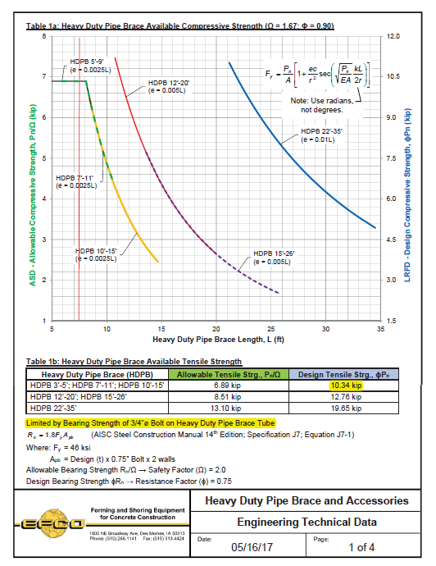
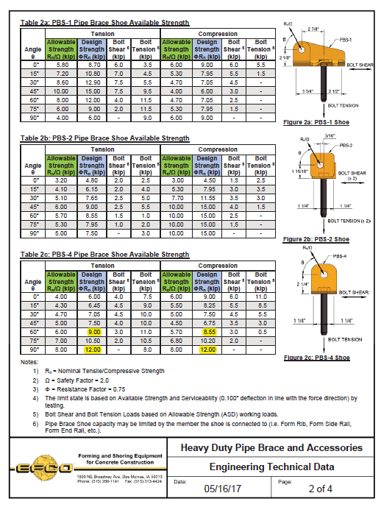
 |  |  |  |  |  |  |  |  |  |  |  |  |  |  | MB 5'-8' | 6 | 9.58 | 14.37 | 9.58 | 14.37
 |  |  |  |  |  |  |  |  |  |  |  |  |  |  | MB 5'-8' | 7 | 9.58 | 14.37 | 9.58 | 14.37
 |  |  |  |  |  |  |  |  |  |  |  |  |  |  | MB 5'-8' | 8 | 9.58 | 14.37 | 9.58 | 14.37
 |  |  |  |  |  |  |  |  |  |  |  |  |  |  | MB 8'-14' | 8 | 9.58 | 14.37 | 9.58 | 14.37
 |  |  |  |  |  |  |  |  |  |  |  |  |  |  | MB 8'-14' | 9 | 9.58 | 14.37 | 9.58 | 14.37
 |  |  |  |  |  |  |  |  |  |  |  |  |  |  | MB 8'-14' | 10 | 9.58 | 14.37 | 9.58 | 14.37
 |  |  |  |  |  |  |  |  |  |  |  |  |  |  | MB 8'-14' | 11 | 9.58 | 14.37 | 9.58 | 14.37
 |  |  |  |  |  |  |  |  |  |  |  |  |  |  | MB 8'-14' | 12 | 9.58 | 14.37 | 9.58 | 14.37
 |  |  |  |  |  |  |  |  |  |  |  |  |  |  | MB 8'-14' | 13 | 9.58 | 14.37 | 9.58 | 14.37
 |  |  |  |  |  |  |  |  |  |  |  |  |  |  | MB 8'-14' | 14 | 9.58 | 14.37 | 9.58 | 14.37

